CHAMPION FOOTWEAR
Photo | Style | Description | Color | stylecolor | Color Descr | RETAIL PRICE | 4 | 4+ | 5 | 5+ | 6 | 6+ | 7 | 8 | 8+ | 9+ | 10 | 10+ | 11 | 12 | 13 | TOTAL | lot assortment | total pairs by cartons | total cartons
 | S11470 | RD18 2.0 LOW Low Cut Shoe | BS086 | S11470BS086 | LT.BLUE/WH | 69.95 € |  |  |  | 4 | 4 | 4 | 8 | 8 | 4 | 4 |  | 4 |  |  |  | 40 | Footwear lotcode 10 pcs Men (1/5+ - 1/6 - 1/6+ - 2/7 - 2/8 - 1/8+ - 1/9+ - 1/10+) | 10 | 4
 | S11470 | RD18 2.0 LOW Low Cut Shoe | BS086 | S11470BS086 | LT.BLUE/WH | 69.95 € |  |  |  | 90 | 90 | 90 | 180 | 90 | 90 | 90 |  |  |  |  |  | 720 | Footwear lotcode 8 pcs Men Company Stores (1/5+ - 1/6 - 1/6+ - 2/7 - 1/8 - 1/8+ - 1/9+) | 8 | 90
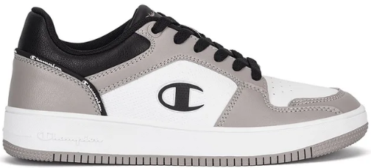 | S11470 | RD18 2.0 LOW Low Cut Shoe | ES002 | S11470ES002 | GREY/WHT/N | 69.95 € |  |  |  | 250 | 250 | 250 | 500 | 500 | 500 | 250 |  |  |  |  |  | 2,500 | Footwear lotcode 10 pcs Men (1/5+ - 1/6 - 1/6+ - 2/7 - 2/8 - 2/8+ - 1/9+) | 10 | 250
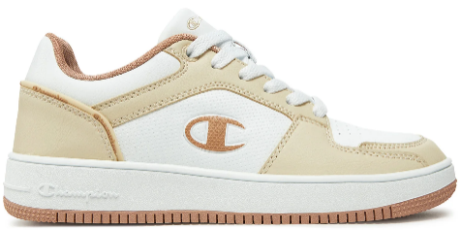 | S11470 | RD18 2.0 LOW Low Cut Shoe | YS085 | S11470YS085 | SAND/WHT | 69.95 € |  |  |  | 242 | 242 | 242 | 484 | 484 | 484 | 242 |  |  |  |  |  | 2,420 | Footwear lotcode 10 pcs Men (1/5+ - 1/6 - 1/6+ - 2/7 - 2/8 - 2/8+ - 1/9+) | 10 | 242
 | S11471 | RD18 2.0 MID Mid Cut Shoe | BS086 | S11471BS086 | LT.BLUE/WH | 69.95 € |  |  |  | 153 | 153 | 153 | 306 | 306 | 306 | 153 |  |  |  |  |  | 1,530 | Footwear lotcode 10 pcs Men (1/5+ - 1/6 - 1/6+ - 2/7 - 2/8 - 2/8+ - 1/9+) | 10 | 153
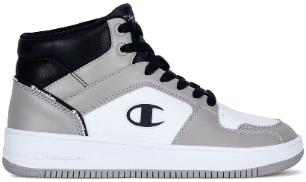 | S11471 | RD18 2.0 MID Mid Cut Shoe | ES002 | S11471ES002 | GREY/WHT/N | 69.95 € |  |  |  | 257 | 257 | 257 | 514 | 514 | 514 | 257 |  |  |  |  |  | 2,570 | Footwear lotcode 10 pcs Men (1/5+ - 1/6 - 1/6+ - 2/7 - 2/8 - 2/8+ - 1/9+) | 10 | 257
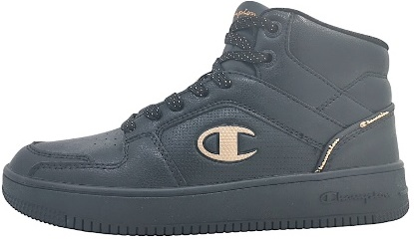 | S11471 | RD18 2.0 MID Mid Cut Shoe | KK005 | S11471KK005 | NBK/RS GOL | 69.95 € |  |  |  | 312 | 312 | 312 | 624 | 312 | 312 | 312 |  |  |  |  |  | 2,496 | Footwear lotcode 8pcs Men Company (1/5+ - 1/6 - 1/6+ - 2/7 - 1/8 - 1/8+ - 1/9+ - 1/10+) | 8 | 312
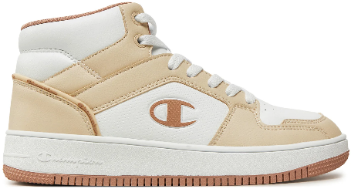 | S11471 | RD18 2.0 MID Mid Cut Shoe | YS085 | S11471YS085 | SAND/WHT | 69.95 € |  |  |  | 80 | 80 | 80 | 160 | 80 | 80 | 80 |  |  |  |  |  | 640 | Footwear lotcode 8 pcs Men Company Stores (1/5+ - 1/6 - 1/6+ - 2/7 - 1/8 - 1/8+ - 1/9+) | 8 | 80
 | S11735 | PRESTIGE MIX MATERIAL Low Cut Shoe | KK001 | S11735KK001 | NBK/WHT | 69.95 € |  |  |  | 221 | 221 | 221 | 442 | 221 | 221 | 221 |  |  |  |  |  | 1,768 | Footwear lotcode 8 pcs Men Company Stores (1/5+ - 1/6 - 1/6+ - 2/7 - 1/8 - 1/8+ - 1/9+) | 8 | 221
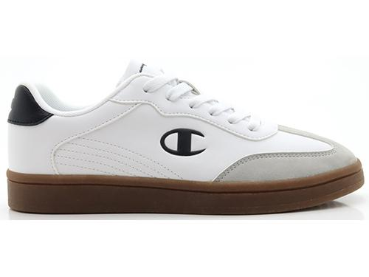 | S11735 | PRESTIGE MIX MATERIAL Low Cut Shoe | WW001 | S11735WW001 | WHT/NBK | 69.95 € |  |  |  | 257 | 257 | 257 | 514 | 257 | 257 | 257 |  |  |  |  |  | 2,056 | Footwear lotcode 8 pcs Men Company Stores (1/5+ - 1/6 - 1/6+ - 2/7 - 1/8 - 1/8+ - 1/9+) | 8 | 257
 | S11736 | PRESTIGE MS Low Cut Shoe | MS519 | S11736MS519 | BRW/PINK | 69.95 € |  |  |  | 3 | 3 | 3 | 6 | 3 | 3 | 3 |  |  |  |  |  | 24 | Footwear lotcode 8 pcs Men Company Stores (1/5+ - 1/6 - 1/6+ - 2/7 - 1/8 - 1/8+ - 1/9+) | 8 | 3
 | S11736 | PRESTIGE MS Low Cut Shoe | RS001 | S11736RS001 | CBRR/WHT | 69.95 € |  |  |  | 30 | 30 | 30 | 60 | 60 | 30 | 30 |  | 30 |  |  |  | 300 | Footwear lotcode 10 pcs Men Company Stores (1/5+ - 1/6 - 1/6+ - 2/7 - 2/8 - 1/8+ - 1/9+ - 1/10+) | 10 | 30
 | S11736 | PRESTIGE MS Low Cut Shoe | RS001 | S11736RS001 | CBRR/WHT | 69.95 € |  |  |  | 122 | 122 | 122 | 244 | 122 | 122 | 122 |  |  |  |  |  | 976 | Footwear lotcode 8pcs Men Company (1/5+ - 1/6 - 1/6+ - 2/7 - 1/8 - 1/8+ - 1/9+ - 1/10+) | 8 | 122
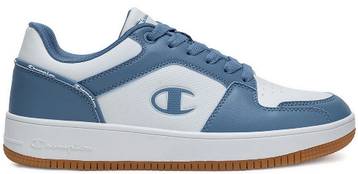 | S21906 | RD18 2.0 LOW Low Cut Shoe | BS160 | S21906BS160 | E.BLUE/WHT | 69.95 € |  |  |  |  |  |  |  | 18 | 36 | 36 | 36 |  | 18 | 18 | 18 | 180 | Footwear lotcode 10 pcs Men (1/8 - 2/8+ - 2/9+ - 2/10 - 1/11 - 1/12 - 1/13) | 10 | 18
 | S21906 | RD18 2.0 LOW Low Cut Shoe | MS032 | S21906MS032 | BRW/WHT/NB | 69.95 € |  |  |  |  |  |  |  | 124 | 248 | 372 | 248 |  | 124 | 124 |  | 1,240 | Footwear lotcode 10 pcs Men (1/8 - 2/8+ - 3/9+ - 2/10 - 1/11 - 1/12) | 10 | 124
 | S22279 | CL78 S Low Cut Shoe | KK002 | S22279KK002 | NBK/WHT/GU | 69.95 € |  |  |  |  |  |  |  | 8 | 16 | 16 | 16 |  | 8 | 8 | 8 | 80 | Footwear lotcode 10 pcs Men (1/8 - 2/8+ - 2/9+ - 2/10 - 1/11 - 1/12 - 1/13) | 10 | 8
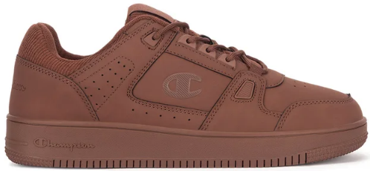 | S22294 | RD18 LOW CORD Low Cut Shoe | MS031 | S22294MS031 | BRW | 69.95 € |  |  |  |  |  |  |  | 81 | 162 | 243 | 162 |  | 81 | 81 |  | 810 | Footwear lotcode 10 pcs Men (1/8 - 2/8+ - 3/9+ - 2/10 - 1/11 - 1/12) | 10 | 81
 | S22330 | PRESTIGE MIX MATERIAL Low Cut Shoe | KK001 | S22330KK001 | NBK/WHT | 69.95 € |  |  |  |  |  |  |  | 10 | 20 | 20 | 20 |  | 10 | 10 | 10 | 100 | Footwear lotcode 10 pcs Men (1/8 - 2/8+ - 2/9+ - 2/10 - 1/11 - 1/12 - 1/13) | 10 | 10
 | S22330 | PRESTIGE MIX MATERIAL Low Cut Shoe | KK001 | S22330KK001 | NBK/WHT | 69.95 € |  |  |  |  |  |  |  |  | 2 | 4 | 4 |  | 2 | 2 | 2 | 16 | Footwear lotcode 8pcs Men Company (1/8+ - 2/9+ - 2/10 - 1/11 - 1/12 - 1/13) | 8 | 2
 | S22330 | PRESTIGE MIX MATERIAL Low Cut Shoe | KK001 | S22330KK001 | NBK/WHT | 69.95 € |  |  |  |  |  |  |  | 547 | 547 | 1,094 | 1,094 |  | 547 | 547 |  | 4,376 | Footwear lotcode 8 pcs Men Company Stores (1/8 - 1/8+ - 2/9+ 2/10 - 1/11 - 1/12) | 8 | 547
 | S22334 | FOUL PLAY FW Low Cut Shoe | KK009 | S22334KK009 | NBK/DK.YEL | 69.95 € |  |  |  |  |  |  |  | 19 | 38 | 38 | 38 |  | 19 | 19 | 19 | 190 | Footwear lotcode 10 pcs Men (1/8 - 2/8+ - 2/9+ - 2/10 - 1/11 - 1/12 - 1/13) | 10 | 19
 | S22399 | ACADEMY MID Mid Cut Shoe | KK001 | S22399KK001 | NBK/RED | 69.95 € |  |  |  |  |  |  |  | 241 | 482 | 723 | 482 |  | 241 | 241 |  | 2,410 | Footwear lotcode 10 pcs Men (1/8 - 2/8+ - 3/9+ - 2/10 - 1/11 - 1/12) | 10 | 241
 | S22399 | ACADEMY MID Mid Cut Shoe | RS001 | S22399RS001 | RED/NBK | 69.95 € |  |  |  |  |  |  |  | 4 | 8 | 8 | 8 |  | 4 | 4 | 4 | 40 | Footwear lotcode 10 pcs Men (1/8 - 2/8+ - 2/9+ - 2/10 - 1/11 - 1/12 - 1/13) | 10 | 4
 | S22399 | ACADEMY MID Mid Cut Shoe | RS001 | S22399RS001 | RED/NBK | 69.95 € |  |  |  |  |  |  |  | 482 | 964 | 1,446 | 964 |  | 482 | 482 |  | 4,820 | Footwear lotcode 10 pcs Men (1/8 - 2/8+ - 3/9+ - 2/10 - 1/11 - 1/12) | 10 | 482
 | S32413 | RD18 2.0 MID B GS Mid Cut Shoe | KK019 | S32413KK019 | NBK/RED/WH | 69.95 € | 373 | 373 | 373 | 373 | 373 | 746 | 373 |  |  |  |  |  |  |  |  | 2,984 | Lotcode 8 pcs (1/4 - 1/4.5 - 1/5 - 1/5.5 - 1/6 - 2/6.5 - 1/7) | 8 | 373
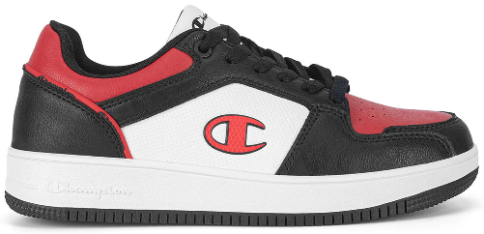 | S32415 | RD18 2.0 LOW B GS Low Cut Shoe | KK019 | S32415KK019 | NBK/RED/WH | 69.95 € | 395 | 395 | 395 | 395 | 395 | 790 | 395 |  |  |  |  |  |  |  |  | 3,160 | Lotcode 8 pcs (1/4 - 1/4.5 - 1/5 - 1/5.5 - 1/6 - 2/6.5 - 1/7) | 8 | 395
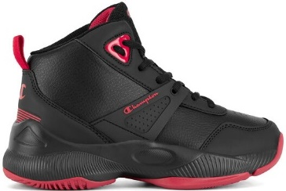 | S32981 | ACADEMY MID B GS Mid Cut Shoe | KK001 | S32981KK001 | NBK/RED | 69.95 € | 161 | 161 | 161 | 161 | 322 | 322 | 322 |  |  |  |  |  |  |  |  | 1,610 | Lotcode 10 pcs (1/4 - 1/4,5 - 1/5 - 1/5,5 - 2/6 - 2/6,5 - 2/7) | 10 | 161
 | S32981 | ACADEMY MID B GS Mid Cut Shoe | KK001 | S32981KK001 | NBK/RED | 69.95 € | 81 | 81 | 81 | 81 | 81 | 162 | 81 |  |  |  |  |  |  |  |  | 648 | Lotcode 8 pcs (1/4 - 1/4.5 - 1/5 - 1/5.5 - 1/6 - 2/6.5 - 1/7) | 8 | 81
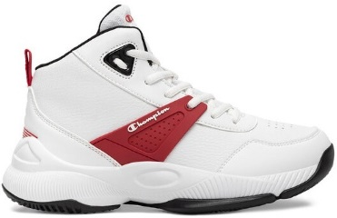 | S32981 | ACADEMY MID B GS Mid Cut Shoe | WW002 | S32981WW002 | WHT/RED | 69.95 € | 19 | 19 | 19 | 19 | 38 | 38 | 38 |  |  |  |  |  |  |  |  | 190 | Lotcode 10 pcs (1/4 - 1/4,5 - 1/5 - 1/5,5 - 2/6 - 2/6,5 - 2/7) | 10 | 19
 |  |  |  |  |  |  |  |  |  |  |  |  |  |  |  |  |  |  |  |  |  | 40,894

